Sheet1
Assessment

Jill has problems when preparing baked products. Can you help to find out what went wrong?

 |  | A. Too much mixing | B. Too much egg

 |  | C. Too much baking soda | D. Too much salt

 | 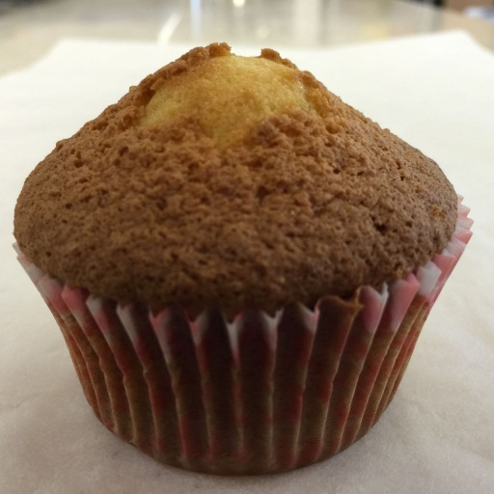 Muffin with browning on the surface |  | 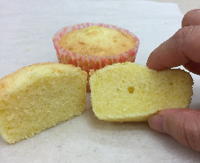 Pound cake with dense structure and low volume

 | What could have happened? |  | What could have happened?

 | Give it a try! |  | Give it a try!

 | 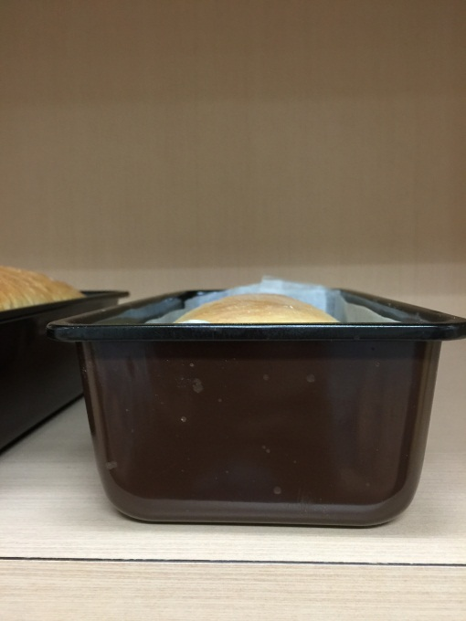 Bread with low volume |  | 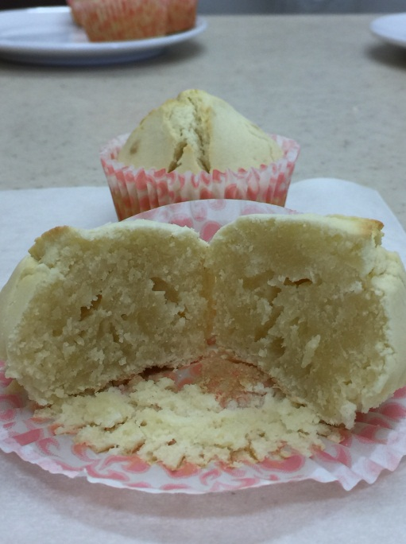 Muffin with tunnels and a peak

 | What could have happened? |  | What could have happened?

 | Give it a try! |  | Give it a try!

